Intro
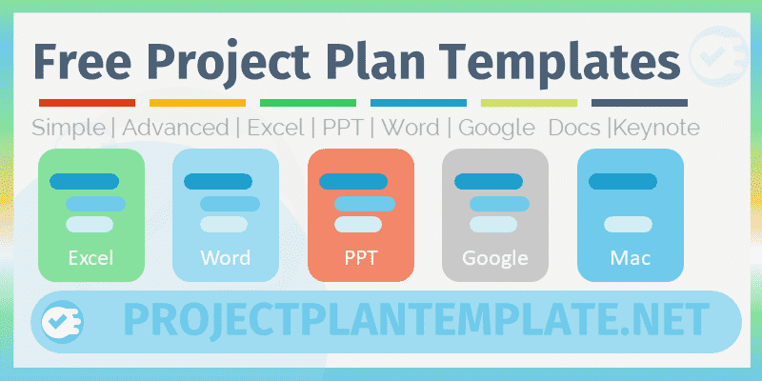
Niruka Technologies LLP
 | Project Plan Template Free Download | Get our Premium Project Management Templates
 | Excel Template by analysistabs.com

Info | Project Plan Template for Project Planning and Management

Usage | Enter the Project Details and the Project Timelines in the Required Columns of the Data Table. And the Gantt chart is created automatically based on your data.

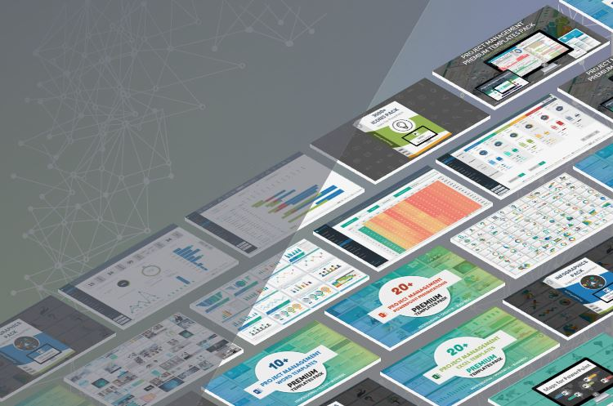

About | ProjectPlanTemplate.Net is powered by analysistabs.com (Niruka Tecnologies LLP), provides useful templates for Project Management and Planning. Analysistabs ™ is developing Free and Premium l Project Management Templates. Please do not share this downloaded file. Instead, you can share our free template page link with your colleagues and friends, it helps us to create better tools and more templates.

4 Download Now

ProjectPlanTemplate.Net
Visit us

Project Plan Template
Project Name | Enter Name of the Project |  |  |  |  |  |  |  | Gantt Chart
 | 31%
 | 69%
 | Start Date | Completed | Pending
Task Title 1 | 3/19/2022 | 33 | 0
Task Title 2 | 3/20/2022 | 21 | 21
Task Title 3 | 3/23/2022 | 5 | 0
Task Title 4 | 3/22/2022 | 3 | 4
Task Title 5 | 4/2/2022 | 6 | 8
Task Title 6 | 3/28/2022 | 0 | 21
Task Title 7 | 4/7/2022 | 4 | 6
Task Title 8 | 4/17/2022 | 0 | 14
Task Title 9 | 5/3/2022 | 0 | 42
Task Title 10 | 5/6/2022 | 26 | 0
Task Title 11 | 5/5/2022 | 8 | 2
Task Title 12 | 5/9/2022 | 22 | 0
Task Title 13 | 5/5/2022 | 22 | 22
Task Title 14 | 5/11/2022 | 21 | 25
Task Title 15 | 5/5/2022 | 0 | 16
Task Title 16 | 4/18/2022 | 8 | 25
Task Title 17 | 4/19/2022 | 0 | 42
Task Title 18 | 4/22/2022 | 0 | 5
Task Title 19 | 4/21/2022 | 0 | 7
Task Title 20 | 5/2/2022 | 0 | 14
Task Title 21 | 4/27/2022 | 0 | 21
Task Title 22 | 5/7/2022 | 0 | 10
Task Title 23 | 5/17/2022 | 0 | 14
Task Title 24 | 6/2/2022 | 0 | 42
Task Title 25 | 6/5/2022 | 0 | 26
TOTAL TASKS | 25 |  | Duration | 117 |  | Overall Progress
Completed | 4 |  | Project Start | 2022-03-19
In progress | 8 |  | Project End | 2022-07-13 |  | 31%
Not Started | 13
 |  |  |  |  |  | 69%

Tasks | Responsible | Start Date | End Date | Progress | Status | Duration | Completed | Pending
Task Title 1 | Person 1 | 2022-03-19 | 2022-04-20 | 100% | Completed | 33 | 33 | 0
Task Title 2 | Person 2 | 2022-03-20 | 2022-04-30 | 50% | In progress | 42 | 21 | 21
Task Title 3 | Person 3 | 2022-03-23 | 2022-03-27 | 100% | Completed | 5 | 5 | 0
Task Title 4 | Person 4 | 2022-03-22 | 2022-03-28 | 45% | In progress | 7 | 3 | 4
Task Title 5 | Person 5 | 2022-04-02 | 2022-04-15 | 40% | In progress | 14 | 6 | 8
Task Title 6 | Person 6 | 2022-03-28 | 2022-04-17 | 0% | Not Started | 21 | 0 | 21
Task Title 7 | Person 7 | 2022-04-07 | 2022-04-16 | 40% | In progress | 10 | 4 | 6
Task Title 8 | Person 8 | 2022-04-17 | 2022-04-30 | 0% | Not Started | 14 | 0 | 14
Task Title 9 | Person 9 | 2022-05-03 | 2022-06-13 | 0% | Not Started | 42 | 0 | 42
Task Title 10 | Person 10 | 2022-05-06 | 2022-05-31 | 100% | Completed | 26 | 26 | 0
Task Title 11 | Person 1 | 2022-05-05 | 2022-05-14 | 75% | In progress | 10 | 8 | 2
Task Title 12 | Person 2 | 2022-05-09 | 2022-05-30 | 100% | Completed | 22 | 22 | 0
Task Title 13 | Person 3 | 2022-05-05 | 2022-06-17 | 50% | In progress | 44 | 22 | 22
Task Title 14 | Person 4 | 2022-05-11 | 2022-06-25 | 45% | In progress | 46 | 21 | 25
Task Title 15 | Person 5 | 2022-05-05 | 2022-05-20 | 0% | Not Started | 16 | 0 | 16
Task Title 16 | Person 6 | 2022-04-18 | 2022-05-20 | 25% | In progress | 33 | 8 | 25
Task Title 17 | Person 7 | 2022-04-19 | 2022-05-30 | 0% | Not Started | 42 | 0 | 42
Task Title 18 | Person 8 | 2022-04-22 | 2022-04-26 | 0% | Not Started | 5 | 0 | 5
Task Title 19 | Person 9 | 2022-04-21 | 2022-04-27 | 0% | Not Started | 7 | 0 | 7
Task Title 20 | Person 10 | 2022-05-02 | 2022-05-15 | 0% | Not Started | 14 | 0 | 14
Task Title 21 | Person 11 | 2022-04-27 | 2022-05-17 | 0% | Not Started | 21 | 0 | 21
Task Title 22 | Person 12 | 2022-05-07 | 2022-05-16 | 0% | Not Started | 10 | 0 | 10
Task Title 23 | Person 13 | 2022-05-17 | 2022-05-30 | 0% | Not Started | 14 | 0 | 14
Task Title 24 | Person 14 | 2022-06-02 | 2022-07-13 | 0% | Not Started | 42 | 0 | 42
Task Title 25 | Person 15 | 2022-06-05 | 2022-06-30 | 0% | Not Started | 26 | 0 | 26

i | This is a free template, you can use this template to plan a small project with 25 tasks. Check our premium templates for multiple projects and more features. Get the unlocked/unprotect version of the templates.
4 View Details

License
Niruka Technologies LLP
 | License Terms

4 | Analysistabs™ License Agreement
 | This Template/Excel File and sample data is created by Analysistabs™ (Niruka Technologies LLP)

4 | Licensed Product: Single User License to Analysistabs™ Project Plan Template
4 | Single User License: Allows 1 (Personal Use Only).

4 | You are Allowed

4 | Individual users are permitted to use this template for their personal use only
4 | You can share the template page link:(https://analysistabs.com/project/management/)
4 | You can make copies for your own use

4 | You are NOT Allowed

4 | Reproducing of this template is not permitted for reselling, rebranding, team usage, company usage, training and any other business purpose.
4 | You are not allowed to share this template, or the screenshots/ images produced using this template with sample data provided in the template.
4 | You are not allowed to share our template via Emails, Shared drives, Common Folders, Websites, and Social media
4 | You must not remove our copyright notices and Licence sheets from the template
4 | The templates (.xlsx,.xlsm, .docx, .pptx) files should not be shared with others. Instead, you can share following web page link of this template.
Link: | https://analysistabs.com/project/management/

