Gantt Chart
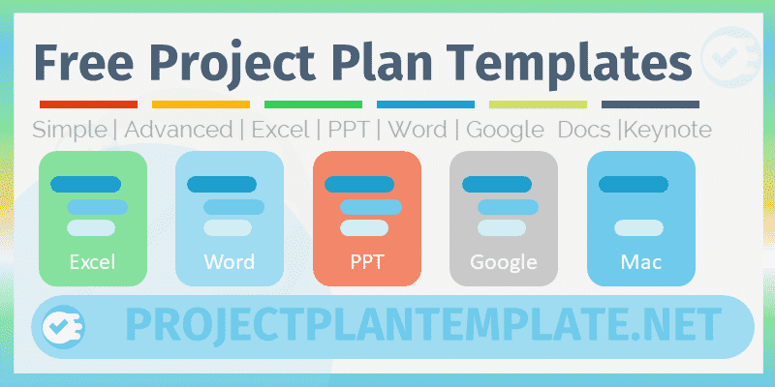
 | Gantt Chart Template
 | Excel Template by ProjectPlanTemplate.Net

Info | Gantt Chart Template for Project Planning and Management

Advanced Templates4
Usage | Enter the Project Details and the Project Timelines in the Required Columns of the Data Table. And the Gantt chart is created automatically based on your data.

Please Share | ProjectPlanTemplate.Net is created for making useful templates for Project Management and Planning. Please share our file with your colleagues and friends, it helps us to create better tools and motivates us to build more templates based on the user suggestions.

ProjectPlanTemplate.Net
Visit us

